Reports
How did performance change over time? |  | Which products are driving revenue? |  | Which categories are driving revenue? |  | Which Sale channel are performing best?
Row Labels | Total Revenue | Row Labels | Total Revenue | Row Labels | Total Revenue | Row Labels | Total Revenue
Jan | 4,599 | Camping Tent | 38,589 | Electronics | 265519.17 | Online | 140,380
Feb | 12,283 | Ceramic Cookware Set | 39,535 | Apparel | 125,574 | Marketplace | 147,819
Mar | 27,011 | Rain Jacket | 40,179 | Home Goods | 85943.94 | Retail Partner | 148,419
Apr | 33,892 | Smart Watch | 63,446 | Other | 63945.56 | Direct B2B | 148,680
May | 47,665 | 4K Action Camera | 124,142 | Beauty | 44316.57 | Grand Total | 585,299
Jun | 45,807 | Grand Total | 305,891 | Grand Total | 585,299
Jul | 71,032
Aug | 75,621 | Which regions are performing best? |  | Which countries are performing best? |  | Which customers generate the most value?
Sep | 80,483 | Row Labels | Total Revenue | Row Labels | Total Revenue | Row Labels | Total Revenue
Oct | 80,435 | Middle East & Africa | 57,871 | South Africa | 14,803 | Yuki Sharma | 5,398
Nov | 76,985 | Latin America | 72,429 | Grand Total | 14,803 | Wei Muller | 5,039
Dec | 29,486 | Europe | 133,201 |  |  | Aisha Okafor | 4,590
Grand Total | 585,299 | North America | 145,103 |  |  | Ingrid Silva | 4,309
 |  | Asia Pacific | 176,694 |  |  | Chidi Novak | 4,212
 |  | Grand Total | 585,299 |  |  | Grand Total | 23,548

 |  | Row Labels | Failed Order Rate
Row Labels | Total Revenue | Direct B2B | 30%
Cancelled | 77,229 | Marketplace | 29%
Completed | 419,697 | Online | 28%
Refunded | 88,373 | Retail Partner | 30%
Grand Total | 585,299 | Grand Total | 29%

Row Labels | Revenue at Risk
Beauty | 16,284 |  |  | Row Labels | Revenue at Risk
Other | 20,643 |  |  | Online | 37,682 | Online | 37,682 | Row Labels | Cancelled Order
Home Goods | 26,267 |  |  | Marketplace | 37,917 | Marketplace | 37,917 | Direct B2B | 93 | Direct B2B | 93
Apparel | 27,271 |  |  | Direct B2B | 42,075 | Direct B2B | 42,075 | Marketplace | 99 | Marketplace | 99
Electronics | 75,137 |  |  | Retail Partner | 47,928 | Retail Partner | 47,928 | Online | 100 | Online | 100
Grand Total | 165,602 |  |  | Grand Total | 165,602 |  |  | Retail Partner | 128 | Retail Partner | 128
 |  |  |  |  |  |  |  | Grand Total | 420

Cancelled Order by Channel
Beauty | 16,284 | Row Labels
Other | 20,643 | Asia Pacific | 31.92% | Asia Pacific | 31.92%
Home Goods | 26,267 | Latin America | 31.03% | Latin America | 31.03%
Apparel | 27,271 | North America | 28.22% | North America | 28.22%
Electronics | 75,137 | Europe | 26.86% | Europe | 26.86%
 |  | Middle East & Africa | 26.07% | Middle East & Africa | 26.07%
 |  | Grand Total | 29.23%

Sheet1
Monthly Revenue Trend
 | Total
Jan | 4,599
Feb | 12,283
Mar | 27,011
Apr | 33,892
May | 47,665
Jun | 45,807
Jul | 71,032
Aug | 75,621
Sep | 80,483
Oct | 80,435
Nov | 76,985
Dec | 29,486
 | Total
Camping Tent | 38,589
Ceramic Cookware Set | 39,535
Rain Jacket | 40,179
Smart Watch | 63,446
4K Action Camera | 124,142
 | Total
Electronics | 265519.17
Apparel | 125573.65
Home Goods | 85943.94
Other | 63945.56
Beauty | 44316.57

 | Total
Online | 140,380
Marketplace | 147,819
Retail Partner | 148,419
Direct B2B | 148,680

Revenue by Region
 | Total
Middle East & Africa | 57,871
Latin America | 72,429
Europe | 133,201
North America | 145,103
Asia Pacific | 176,694

Order Status
 | Total
Cancelled | 77,229
Completed | 419,697
Refunded | 88,373
 | Total
Yuki Sharma | 5,398
Wei Muller | 5,039
Aisha Okafor | 4,590
Ingrid Silva | 4,309
Chidi Novak | 4,212

Revenue at Risk by Categories
Revenue at Risk by Cannel
Online | 37,682
Marketplace | 37,917
Direct B2B | 42,075
Retail Partner | 47,928

Failed Order Rate by Region
Asia Pacific | 31.92%
Latin America | 31.03%
North America | 28.22%
Europe | 26.86%
Middle East & Africa | 26.07%

Excutive overview
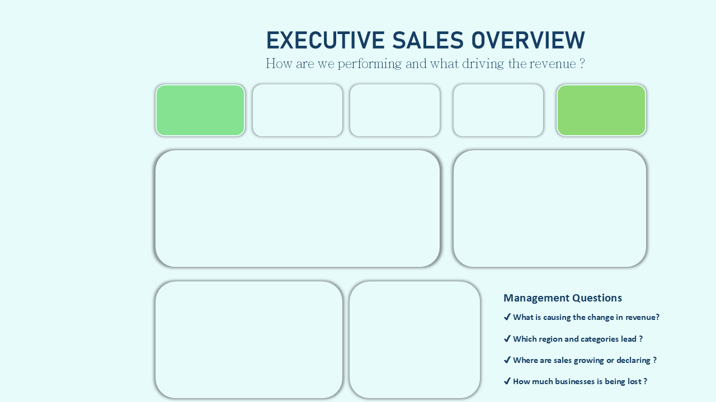

Total Revenue
Orders
9,563
Units sold
Avg Order Value
Completed Rate
$585,299
3,000
$61
71%
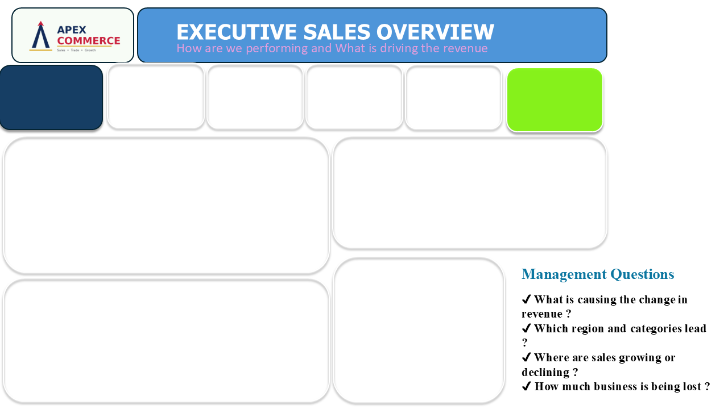

Monthly Revenue Trend
 | Total
Jan | 4,599
Feb | 12,283
Mar | 27,011
Apr | 33,892
May | 47,665
Jun | 45,807
Jul | 71,032
Aug | 75,621
Sep | 80,483
Oct | 80,435
Nov | 76,985
Dec | 29,486
Revenue by Region
 | Total
Middle East & Africa | 57,871
Latin America | 72,429
Europe | 133,201
North America | 145,103
Asia Pacific | 176,694

Total Revenue
Total Order
Average Order Value
Units Sold
Failed Order Rate
$585,299
3,000
$61
9,563
29%
71%
Completion Rate

Revenue by Region
 | Total
Middle East & Africa | 57,871
Latin America | 72,429
Europe | 133,201
North America | 145,103
Asia Pacific | 176,694
Order Status
 | Total
Cancelled | 77,229
Completed | 419,697
Refunded | 88,373
Monthly Revenue Trend
 | Total
Jan | 4,599
Feb | 12,283
Mar | 27,011
Apr | 33,892
May | 47,665
Jun | 45,807
Jul | 71,032
Aug | 75,621
Sep | 80,483
Oct | 80,435
Nov | 76,985
Dec | 29,486
Revenue by Categories
 | Total
Electronics | 265519.17
Apparel | 125573.65
Home Goods | 85943.94
Other | 63945.56
Beauty | 44316.57

Order Status
 | Total
Cancelled | 77,229
Completed | 419,697
Refunded | 88,373
Revenue by Categories
 | Total
Electronics | 265519.17
Apparel | 125573.65
Home Goods | 85943.94
Other | 63945.56
Beauty | 44316.57

Revenue Leakage & opportunity
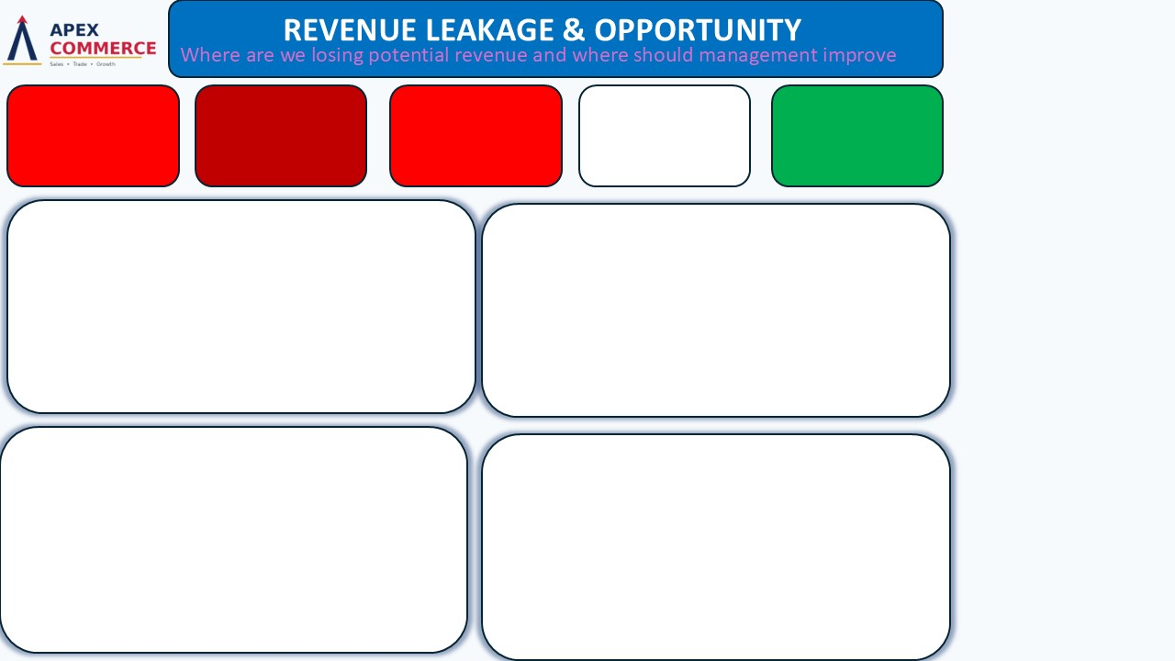
Excutive Overview

Product Customer & Channel

$165,602
Revenue at Risk
$88,373
Refund Revenue
Cancelled Revenue
$77,229
Failed Order Rate
29%
Completed Revenue
$419,697

Revenue at Risk by Categories
 | Total
Beauty | 16,284
Other | 20,643
Home Goods | 26,267
Apparel | 27,271
Electronics | 75,137
Revenue at Risk by Channel
 | Total
Online | 37,682
Marketplace | 37,917
Direct B2B | 42,075
Retail Partner | 47,928

Failed Order Rate by Region
 | Total
Asia Pacific | 31.92%
Latin America | 31.03%
North America | 28.22%
Europe | 26.86%
Middle East & Africa | 26.07%
Cancelled Order by Channel
 | Total
Direct B2B | 93
Marketplace | 99
Online | 100
Retail Partner | 128

Product, Customer &Channel
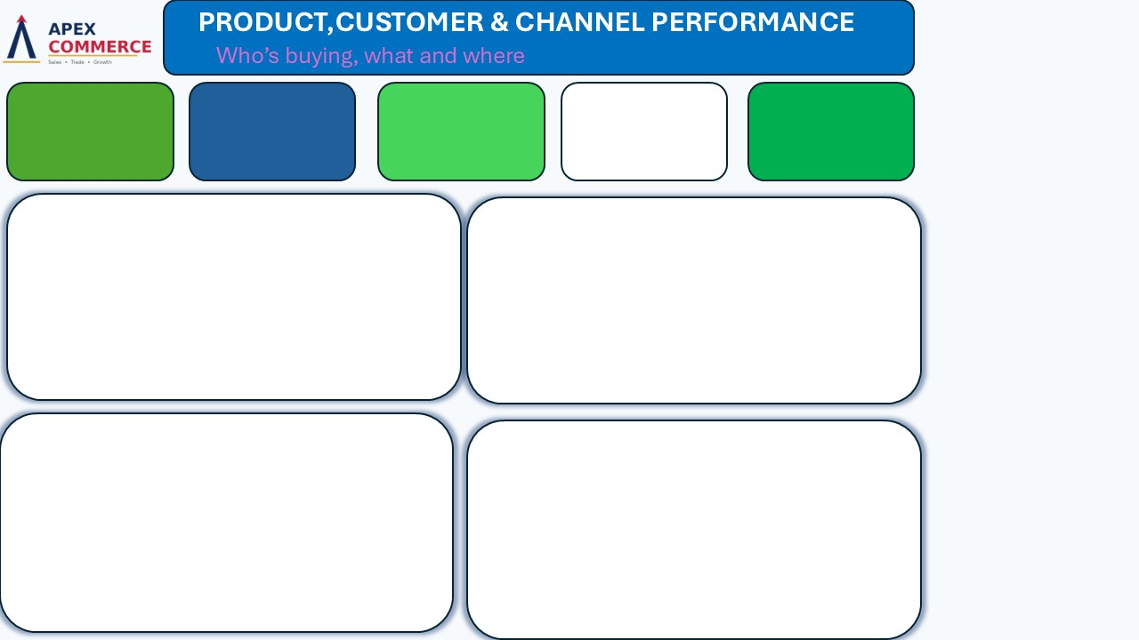
Excutive overview

Revenue Leakage & opty

Top Product
Top Customer
Top Product Revenue
$124,142
4K Action Camera
Yuki Sharma
$148,680
Direct B2B
5 Top Customers by Revenue
 | Total
Yuki Sharma | 5,398
Wei Muller | 5,039
Aisha Okafor | 4,590
Ingrid Silva | 4,309
Chidi Novak | 4,212
Top Products by Revenue
 | Total
Camping Tent | 38,589
Ceramic Cookware Set | 39,535
Rain Jacket | 40,179
Smart Watch | 63,446
4K Action Camera | 124,142

Revenue by Sale Channel
 | Total
Online | 140,380
Marketplace | 147,819
Retail Partner | 148,419
Direct B2B | 148,680
Failed Order Rate by Channel
 | Total
Direct B2B | 30%
Marketplace | 29%
Online | 28%
Retail Partner | 30%

Insights & Recomendations
INSIGHTS
Recommendations

1.Growth was strong through the year but collapsed in December, revenue climbed steadily from $5K (Jan) to a peak of $80K (Sep/Oct), then fell to $77K in Nov and crashed to $29K in Dec, a 64% drop in the final month. That single month is likely dragging down the annual story more than any category or region issue.
2. Electronics is both the growth engine and the biggest leak, it drives $266K of the $585K total revenue (45%), but also accounts for $75K of the $165,602 at-risk revenue (also ~45%). Fixing Electronics fulfillment alone would move the most money.
3. The 29% failure rate isn't a regional or channel problem, it's systemic. Every region sits in a tight 26–32% band (Asia Pacific 31.92%, Latin America 31.03%, North America 28.22%, Europe 26.86%, MEA 26.07%), and every channel is similarly bunched (28–30%). A process this consistent across geography and channel points to something upstream, payment, checkout, or logistics, not a local execution gap.
3. Refunds outweigh cancellations ($88,373 vs $77,229) — more revenue is being lost after the sale completes than before it. That's a product/quality/expectation problem, not a stock or checkout problem.
4. Revenue is evenly spread, but so is risk — all four channels land within $140K–$149K, and no single customer or channel is carrying the business. That's healthy in terms of concentration risk, but it also means there's no standout channel or customer segment to double down on for faster growth.
5. Retail Partner is the leakiest channel, it has the highest cancellation count (128) and the highest revenue at risk by channel ($48K), despite Direct B2B generating slightly more revenue overall.
6. Asia Pacific is biggest market and least reliable one, $177K in revenue (the top region) paired with the worst failure rate (31.92%). It has the most to gain and the most to lose.
1.Pull December's operational data specifically, staffing, stock levels, delivery partner capacity, before the next holiday season. That one month's collapse deserves a standalone root-cause review.
2. Prioritize a fulfillment audit on Electronics first. Even a small drop in its refund/cancellation rate recovers more dollars than fixing any other category.
3. Treat the 29% failure rate as a core process issue, not a market-by-market one. Review checkout flow, payment processing, and delivery partner SLAs centrally, that's where the fix will scale across every region at once.
4. Since refunds lead cancellations, focus on what happens after delivery, product accuracy, sizing/fit (especially Apparel), and packaging/delivery condition, rather than only tightening pre-order checks.
5. Review Retail Partner's order accuracy and inventory sync, its cancellation volume is out of proportion to its revenue share.
Direct fulfillment investment toward Asia Pacific specifically, it's the market with the most revenue at stake if reliability doesn't improve.

